Raw JSON - READ ME
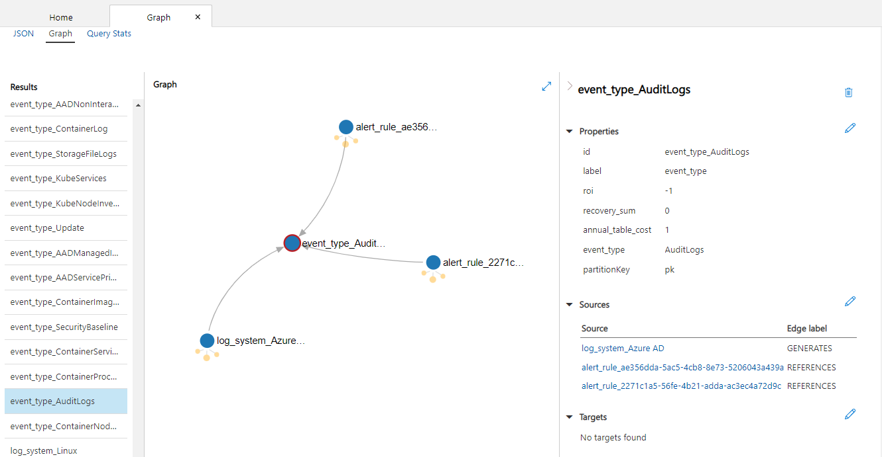
NOTES:
> The data used for the "Cost Analysis" tab comes from CosmosDB, which is an object storage database with graph query capabilities, and it return results as a JSON string (as seen below)
> The graph query (JSON) output contains information about the "nodes" and "edges" of the graph, and their properties -- this includes information like value, cost, and ROI for tables and sources, which will be visualized within the frontent view

> Below on the right is a visualized example of a set of nodes and edges, where the node for the AuditLogs table is visualized

[
{
"id": "event_type_AzureMetrics",
"label": "event_type",
"type": "vertex",
"properties": {
"roi": [
{
"id": "63fdc76c-fd0a-4eaa-9ada-8796090dd633",
"value": -306
}
],
"recovery_sum": [
{
"id": "8fe751e0-d111-47c3-a010-3704dafc4505",
"value": 0
}
],
"annual_table_cost": [
{
"id": "f3d090b3-f578-44f5-8ae1-7adb39cd160a",
"value": 306
}
],
"event_type": [
{
"id": "10570fed-5ff9-4e15-ad58-6e9f5f462a5d",
"value": "AzureMetrics"
}
],
"partitionKey": [
{
"id": "event_type_AzureMetrics|partitionKey",
"value": "pk"
}
]
}
},
{
"id": "event_type_ContainerInventory",
"label": "event_type",
"type": "vertex",
"properties": {
"roi": [
{
"id": "76d63687-46ef-48c4-8b1b-f17f4394c613",
"value": -165
}
],
"recovery_sum": [
{
"id": "4c48d5cd-cb1d-4404-ad54-3c2e9c7019da",
"value": 0
}
],
"annual_table_cost": [
{
"id": "2a95df97-f9ed-4239-a264-b89ddecfedc9",
"value": 165
}
],
"event_type": [
{
"id": "39be343c-6cf5-4815-996b-3d587651dfb3",
"value": "ContainerInventory"
}
],
"partitionKey": [
{
"id": "event_type_ContainerInventory|partitionKey",
"value": "pk"
}
]
}
},
{
"id": "event_type_StorageBlobLogs",
"label": "event_type",
"type": "vertex",
"properties": {
"roi": [
{
"id": "e80cec5a-0ddb-47ba-8920-8d942e86cecd",
"value": -142
}
],
"recovery_sum": [
{
"id": "5408748e-dbbe-49b8-abe1-cbcc0e3393e0",
"value": 0
}
],
"annual_table_cost": [
{
"id": "d538c43c-9a2f-41e0-885f-2bdf551c2e02",
"value": 142
}
],
"event_type": [
{
"id": "425d60c1-6f91-4f13-b349-bcd74d0ed407",
"value": "StorageBlobLogs"
}
],
"partitionKey": [
{
"id": "event_type_StorageBlobLogs|partitionKey",
"value": "pk"
}
]
}
},
{
"id": "event_type_InsightsMetrics",
"label": "event_type",
"type": "vertex",
"properties": {
"roi": [
{
"id": "73c929dd-ee6b-4ffe-bcdd-91298a5af31b",
"value": -91
}
],
"recovery_sum": [
{
"id": "5e49a259-a8da-48f1-b71e-9504bcd0690b",
"value": 0
}
],
"annual_table_cost": [
{
"id": "9ec32c08-1443-493b-a5fb-0fc97103deaf",
"value": 91
}
],
"event_type": [
{
"id": "46b9207b-732f-4882-8f9a-5d7591a31526",
"value": "InsightsMetrics"
}
],
"partitionKey": [
{
"id": "event_type_InsightsMetrics|partitionKey",
"value": "pk"
}
]
}
},
{
"id": "event_type_KubePodInventory",
"label": "event_type",
"type": "vertex",
"properties": {
"roi": [
{
"id": "5c383a64-5545-4e9a-be98-6d6d83597ed3",
"value": -55
}
],
"recovery_sum": [
{
"id": "208715c9-4041-4e9d-a792-21acba5b8cb5",
"value": 0
}
],
"annual_table_cost": [
{
"id": "987bd8ea-5d4f-4809-a6d0-6cec553e0c4a",
"value": 55
}
],
"event_type": [
{
"id": "ec8c0946-eab5-4847-a7dc-86bf6b43c3fe",
"value": "KubePodInventory"
}
],
"partitionKey": [
{
"id": "event_type_KubePodInventory|partitionKey",
"value": "pk"
}
]
}
},
{
"id": "event_type_StorageQueueLogs",
"label": "event_type",
"type": "vertex",
"properties": {
"roi": [
{
"id": "46fa3c05-c89b-44a6-abfd-5935c7759e32",
"value": -45
}
],
"recovery_sum": [
{
"id": "bcc867aa-e516-4c7c-a06a-5cbc9a912ae4",
"value": 0
}
],
"annual_table_cost": [
{
"id": "6dd7c25f-5bb0-4b00-aabb-52f94f0a96f4",
"value": 45
}
],
"event_type": [
{
"id": "07ef1a4d-0f40-417d-b9ee-7180f2a605ce",
"value": "StorageQueueLogs"
}
],
"partitionKey": [
{
"id": "event_type_StorageQueueLogs|partitionKey",
"value": "pk"
}
]
}
},
{
"id": "event_type_WVDAgentHealthStatus",
"label": "event_type",
"type": "vertex",
"properties": {
"roi": [
{
"id": "1d2971b1-e6ac-469a-b61c-58ed44c3a682",
"value": -10
}
],
"recovery_sum": [
{
"id": "b4ae9e0f-d088-4076-88cb-14124837c192",
"value": 0
}
],
"annual_table_cost": [
{
"id": "20c26bc4-c921-47d0-b198-5ce1c43e3468",
"value": 10
}
],
"event_type": [
{
"id": "c1f2cab3-6779-482b-87cb-46e320f2a1d1",
"value": "WVDAgentHealthStatus"
}
],
"partitionKey": [
{
"id": "event_type_WVDAgentHealthStatus|partitionKey",
"value": "pk"
}
]
}
},
{
"id": "event_type_StorageTableLogs",
"label": "event_type",
"type": "vertex",
"properties": {
"roi": [
{
"id": "a3fbd7b5-1fed-4f91-bab8-e8c6aba1b44b",
"value": -9
}
],
"recovery_sum": [
{
"id": "f726e0f1-35d9-4a9b-aca1-a049362ef054",
"value": 0
}
],
"annual_table_cost": [
{
"id": "673aa81c-1f72-43d6-87f0-7ed201edae64",
"value": 9
}
],
"event_type": [
{
"id": "d66693e4-9b42-4d32-940f-f054ab077ab7",
"value": "StorageTableLogs"
}
],
"partitionKey": [
{
"id": "event_type_StorageTableLogs|partitionKey",
"value": "pk"
}
]
}
},
{
"id": "event_type_AADNonInteractiveUserSignInLogs",
"label": "event_type",
"type": "vertex",
"properties": {
"roi": [
{
"id": "91a58985-b27e-4e83-b17e-b8bb911d89f1",
"value": -7
}
],
"recovery_sum": [
{
"id": "a671741d-2802-49fd-b169-650190a32537",
"value": 0
}
],
"annual_table_cost": [
{
"id": "bb3f26c2-b4c6-488c-af3b-9f551187b643",
"value": 7
}
],
"event_type": [
{
"id": "b3f50620-7df5-4e89-bd8c-d62aa1e5601b",
"value": "AADNonInteractiveUserSignInLogs"
}
],
"partitionKey": [
{
"id": "event_type_AADNonInteractiveUserSignInLogs|partitionKey",
"value": "pk"
}
]
}
},
{
"id": "event_type_ContainerLog",
"label": "event_type",
"type": "vertex",
"properties": {
"roi": [
{
"id": "ff7d4d57-c74b-4889-911a-9dbd47b5340c",
"value": -6
}
],
"recovery_sum": [
{
"id": "afbee386-cdcc-4669-b8ad-0dc564c3d58e",
"value": 0
}
],
"annual_table_cost": [
{
"id": "8effcd0f-dc7a-4ea5-ac38-e4538d45e278",
"value": 6
}
],
"event_type": [
{
"id": "0bbf5ae4-dfc0-4f13-8c3d-80df4b1306bd",
"value": "ContainerLog"
}
],
"partitionKey": [
{
"id": "event_type_ContainerLog|partitionKey",
"value": "pk"
}
]
}
},
{
"id": "event_type_StorageFileLogs",
"label": "event_type",
"type": "vertex",
"properties": {
"roi": [
{
"id": "5ab99b4f-82ed-4e3c-a1c5-d923c6e87381",
"value": -5
}
],
"recovery_sum": [
{
"id": "a6c35ad5-dee1-49bd-aaf5-957b2ad9ff1f",
"value": 0
}
],
"annual_table_cost": [
{
"id": "cc693bdb-2023-49e5-abe7-f4201305cd87",
"value": 5
}
],
"event_type": [
{
"id": "2f66065a-b682-4a93-9006-907c5f7ee582",
"value": "StorageFileLogs"
}
],
"partitionKey": [
{
"id": "event_type_StorageFileLogs|partitionKey",
"value": "pk"
}
]
}
},
{
"id": "event_type_KubeServices",
"label": "event_type",
"type": "vertex",
"properties": {
"roi": [
{
"id": "67bb1a66-fae8-4f05-b553-74d338b90269",
"value": -5
}
],
"recovery_sum": [
{
"id": "f09829a0-712b-42ea-993f-101134f4fe5e",
"value": 0
}
],
"annual_table_cost": [
{
"id": "1460db10-ba0e-4268-8d6f-7e36ffc588b5",
"value": 5
}
],
"event_type": [
{
"id": "ab7299bc-9a41-486d-ac8d-ef777e01f036",
"value": "KubeServices"
}
],
"partitionKey": [
{
"id": "event_type_KubeServices|partitionKey",
"value": "pk"
}
]
}
},
{
"id": "event_type_KubeNodeInventory",
"label": "event_type",
"type": "vertex",
"properties": {
"roi": [
{
"id": "2f307d5a-0c06-4af7-aaf0-988a4e656b3a",
"value": -4
}
],
"recovery_sum": [
{
"id": "fc4c865c-b95b-4a1e-a90c-43517fb0fa10",
"value": 0
}
],
"annual_table_cost": [
{
"id": "919e0f22-b7f7-4b5d-8b5e-471f66a8209b",
"value": 4
}
],
"event_type": [
{
"id": "a1f36aa6-aa76-4e38-845b-c387b7dde703",
"value": "KubeNodeInventory"
}
],
"partitionKey": [
{
"id": "event_type_KubeNodeInventory|partitionKey",
"value": "pk"
}
]
}
},
{
"id": "event_type_Update",
"label": "event_type",
"type": "vertex",
"properties": {
"roi": [
{
"id": "3626474d-16d9-4661-93fc-3efa5c9e2250",
"value": -3
}
],
"recovery_sum": [
{
"id": "8e054055-bb36-43bd-9e47-d44d039a2fb1",
"value": 0
}
],
"annual_table_cost": [
{
"id": "b74a2479-4ea8-4101-8949-8f1a159c733e",
"value": 3
}
],
"event_type": [
{
"id": "db247638-133b-4f7f-8259-d2fcabdd1847",
"value": "Update"
}
],
"partitionKey": [
{
"id": "event_type_Update|partitionKey",
"value": "pk"
}
]
}
},
{
"id": "event_type_AADManagedIdentitySignInLogs",
"label": "event_type",
"type": "vertex",
"properties": {
"roi": [
{
"id": "92db5a71-258d-4d4a-ba54-4b88b394d790",
"value": -3
}
],
"recovery_sum": [
{
"id": "dafff94a-5ca3-4fd8-b88c-43194f1cd28d",
"value": 0
}
],
"annual_table_cost": [
{
"id": "51f7d4ff-962f-42a2-a685-c253f34785b5",
"value": 3
}
],
"event_type": [
{
"id": "54345dae-ff8a-4a37-aebc-1440d60f8b28",
"value": "AADManagedIdentitySignInLogs"
}
],
"partitionKey": [
{
"id": "event_type_AADManagedIdentitySignInLogs|partitionKey",
"value": "pk"
}
]
}
},
{
"id": "event_type_AADServicePrincipalSignInLogs",
"label": "event_type",
"type": "vertex",
"properties": {
"roi": [
{
"id": "2c0a71c7-8b75-462d-ab00-d251c35635b4",
"value": -2
}
],
"recovery_sum": [
{
"id": "7f2e8c19-4b48-4f40-a0eb-d3fd4a14b627",
"value": 0
}
],
"annual_table_cost": [
{
"id": "b8ea69ba-2dd9-4132-ad17-5eb4d00ac3f6",
"value": 2
}
],
"event_type": [
{
"id": "38518105-234b-400e-adaa-b7350f9faccf",
"value": "AADServicePrincipalSignInLogs"
}
],
"partitionKey": [
{
"id": "event_type_AADServicePrincipalSignInLogs|partitionKey",
"value": "pk"
}
]
}
},
{
"id": "event_type_ContainerImageInventory",
"label": "event_type",
"type": "vertex",
"properties": {
"roi": [
{
"id": "571537a1-2de8-4dd0-93b6-68cedc724859",
"value": -2
}
],
"recovery_sum": [
{
"id": "2ba261e9-422e-4d8a-8eb4-0115c370264f",
"value": 0
}
],
"annual_table_cost": [
{
"id": "bddebb77-2808-4455-b6f6-8d6bc108b0db",
"value": 2
}
],
"event_type": [
{
"id": "f4accf23-ceaa-4e78-a46f-da5a22ebaf70",
"value": "ContainerImageInventory"
}
],
"partitionKey": [
{
"id": "event_type_ContainerImageInventory|partitionKey",
"value": "pk"
}
]
}
},
{
"id": "event_type_SecurityBaseline",
"label": "event_type",
"type": "vertex",
"properties": {
"roi": [
{
"id": "9c478669-807e-4882-a191-b2785f28405b",
"value": -2
}
],
"recovery_sum": [
{
"id": "43cae55d-e798-4dbb-bf12-084f3b37d26c",
"value": 0
}
],
"annual_table_cost": [
{
"id": "d9c1b4ea-8971-4268-968d-17c7b366d88b",
"value": 2
}
],
"event_type": [
{
"id": "a43cdefa-7348-4ea1-8e54-94bbb6f4b31e",
"value": "SecurityBaseline"
}
],
"partitionKey": [
{
"id": "event_type_SecurityBaseline|partitionKey",
"value": "pk"
}
]
}
},
{
"id": "event_type_ContainerServiceLog",
"label": "event_type",
"type": "vertex",
"properties": {
"roi": [
{
"id": "f89ff4e9-bda2-4b03-a1d7-9fa12e3c0b5c",
"value": -2
}
],
"recovery_sum": [
{
"id": "cb1ace94-315e-414d-9dc8-b9659eb85694",
"value": 0
}
],
"annual_table_cost": [
{
"id": "186adc40-855b-41bb-8c20-17257e0fe60d",
"value": 2
}
],
"event_type": [
{
"id": "5e4917d6-9b60-4ae8-911c-53fdca4e98a1",
"value": "ContainerServiceLog"
}
],
"partitionKey": [
{
"id": "event_type_ContainerServiceLog|partitionKey",
"value": "pk"
}
]
}
},
{
"id": "event_type_ContainerProcess_CL",
"label": "event_type",
"type": "vertex",
"properties": {
"roi": [
{
"id": "a10d1b80-a49d-44a6-8460-32459e744261",
"value": -2
}
],
"recovery_sum": [
{
"id": "8a27c6ef-82e9-48b4-ac85-90fa11788a67",
"value": 0
}
],
"annual_table_cost": [
{
"id": "bf5b8af8-4b89-4ddd-a810-047f35b5d605",
"value": 2
}
],
"event_type": [
{
"id": "aa7fad22-071a-4082-b661-34a9ae5144f0",
"value": "ContainerProcess_CL"
}
],
"partitionKey": [
{
"id": "event_type_ContainerProcess_CL|partitionKey",
"value": "pk"
}
]
}
},
{
"id": "event_type_AuditLogs",
"label": "event_type",
"type": "vertex",
"properties": {
"roi": [
{
"id": "76604736-1fb9-407e-8583-dde873d51efb",
"value": -1
}
],
"recovery_sum": [
{
"id": "f8a67b93-1293-4e3d-b26c-6540e3e0d437",
"value": 0
}
],
"annual_table_cost": [
{
"id": "676328e7-ed57-4f64-aba7-4eea1d3fbda6",
"value": 1
}
],
"event_type": [
{
"id": "c115fa2d-0651-4ab9-8672-10116a14e6c0",
"value": "AuditLogs"
}
],
"partitionKey": [
{
"id": "event_type_AuditLogs|partitionKey",
"value": "pk"
}
]
}
},
{
"id": "event_type_ContainerNodeInventory_CL",
"label": "event_type",
"type": "vertex",
"properties": {
"roi": [
{
"id": "f1853f7b-c109-4c1b-aa15-117b85b51389",
"value": -1
}
],
"recovery_sum": [
{
"id": "15a3e4ae-219d-45e5-932c-2c9c6002f862",
"value": 0
}
],
"annual_table_cost": [
{
"id": "d0cf19eb-7c9a-4035-a529-150e9431fbd4",
"value": 1
}
],
"event_type": [
{
"id": "1558b5e1-963d-4603-bd27-5af34c8fbb87",
"value": "ContainerNodeInventory_CL"
}
],
"partitionKey": [
{
"id": "event_type_ContainerNodeInventory_CL|partitionKey",
"value": "pk"
}
]
}
},
{
"id": "log_system_Linux",
"label": "log_system",
"type": "vertex",
"properties": {
"roi": [
{
"id": "558c9d7c-4776-4356-9912-50a69c66e018",
"value": -551
}
],
"recovery_sum": [
{
"id": "5d7ea309-0096-4012-99d5-2fb4cfb0ec2d",
"value": 0
}
],
"annual_log_system_cost": [
{
"id": "7bc6997f-dc60-4020-a5e3-f0c9126b453b",
"value": 551
}
],
"log_system": [
{
"id": "015a0c2b-4400-4d83-8fb8-bcc060e78736",
"value": "Linux"
}
],
"partitionKey": [
{
"id": "log_system_Linux|partitionKey",
"value": "pk"
}
]
}
},
{
"id": "log_system_Containers",
"label": "log_system",
"type": "vertex",
"properties": {
"roi": [
{
"id": "d922a3b1-c163-408a-8eb0-d5e5f3d1d1e9",
"value": -239
}
],
"recovery_sum": [
{
"id": "85fd29d8-1264-480a-9853-84855aac0d8b",
"value": 0
}
],
"annual_log_system_cost": [
{
"id": "f0a362e9-84c8-4e3e-b690-1268adc9aa8a",
"value": 239
}
],
"log_system": [
{
"id": "09df70f7-f5ee-4d47-a1a0-675864ad20b4",
"value": "Containers"
}
],
"partitionKey": [
{
"id": "log_system_Containers|partitionKey",
"value": "pk"
}
]
}
},
{
"id": "log_system_Insights",
"label": "log_system",
"type": "vertex",
"properties": {
"roi": [
{
"id": "8006dabf-c9e6-482c-b73e-2f857f9109c2",
"value": -91
}
],
"recovery_sum": [
{
"id": "338095e1-2966-442f-aecc-df45c46ed15f",
"value": 0
}
],
"annual_log_system_cost": [
{
"id": "483c13da-a054-453f-a447-490339a3e3fe",
"value": 91
}
],
"log_system": [
{
"id": "270a803a-d339-48ae-b8a2-287ca72a712d",
"value": "Insights"
}
],
"partitionKey": [
{
"id": "log_system_Insights|partitionKey",
"value": "pk"
}
]
}
},
{
"id": "log_system_",
"label": "log_system",
"type": "vertex",
"properties": {
"roi": [
{
"id": "bb48a5cc-9a39-40fc-bb8c-5de4b50f1541",
"value": -10
}
],
"recovery_sum": [
{
"id": "79f2d801-3ff7-46b5-8cbc-a5e4a55e38ae",
"value": 0
}
],
"annual_log_system_cost": [
{
"id": "080c9e76-1fba-450d-b5d9-566979e33e00",
"value": 10
}
],
"log_system": [
{
"id": "2a0d3240-310f-4deb-982a-7328a2e1f1cf",
"value": ""
}
],
"partitionKey": [
{
"id": "log_system_|partitionKey",
"value": "pk"
}
]
}
},
{
"id": "log_system_Azure AD",
"label": "log_system",
"type": "vertex",
"properties": {
"roi": [
{
"id": "b4864db5-0da0-487e-b981-a0d54f029463",
"value": -14
}
],
"recovery_sum": [
{
"id": "086ae11a-bef1-41d0-bbbc-611971dae78e",
"value": 0
}
],
"annual_log_system_cost": [
{
"id": "57bf6548-daf6-41ff-aed9-9aab083c56a2",
"value": 14
}
],
"log_system": [
{
"id": "6ad726a2-2fb9-4bc1-b219-f0607503a253",
"value": "Azure AD"
}
],
"partitionKey": [
{
"id": "log_system_Azure AD|partitionKey",
"value": "pk"
}
]
}
},
{
"id": "log_system_RestAPI",
"label": "log_system",
"type": "vertex",
"properties": {
"roi": [
{
"id": "512f955a-620e-4f24-bf08-e678cddfd25f",
"value": -3
}
],
"recovery_sum": [
{
"id": "52af37c7-8030-4f11-8063-df9e798aad2c",
"value": 0
}
],
"annual_log_system_cost": [
{
"id": "01143f39-8afb-4a62-84a4-38545a8aaa4d",
"value": 3
}
],
"log_system": [
{
"id": "e26582b6-eb96-419e-b716-7349e36cc0a9",
"value": "RestAPI"
}
],
"partitionKey": [
{
"id": "log_system_RestAPI|partitionKey",
"value": "pk"
}
]
}
},
{
"id": "log_system_Detection",
"label": "log_system",
"type": "vertex",
"properties": {
"roi": [
{
"id": "e06d702c-568c-430a-b5e0-4acab51a06af",
"value": 0
}
],
"recovery_sum": [
{
"id": "9e2b37f0-f5d9-42cb-9dd1-efca40c3e7f1",
"value": 0
}
],
"annual_log_system_cost": [
{
"id": "ba2ad419-1180-429e-a578-f3b489d8240e",
"value": 0
}
],
"log_system": [
{
"id": "a53a71ea-c941-4373-9dce-3b7cbcc2bb15",
"value": "Detection"
}
],
"partitionKey": [
{
"id": "log_system_Detection|partitionKey",
"value": "pk"
}
]
}
},
{
"id": "log_system_AzureActiveDirectory",
"label": "log_system",
"type": "vertex",
"properties": {
"roi": [
{
"id": "487b8513-af75-4ed9-b466-6f7722f7e6d8",
"value": 0
}
],
"recovery_sum": [
{
"id": "5a01061d-7d9e-443b-8192-75685be7b014",
"value": 0
}
],
"annual_log_system_cost": [
{
"id": "f60a0a88-ba24-4a16-881f-79372997c692",
"value": 0
}
],
"log_system": [
{
"id": "0398d478-2480-4aa3-99fa-693141e5a146",
"value": "AzureActiveDirectory"
}
],
"partitionKey": [
{
"id": "log_system_AzureActiveDirectory|partitionKey",
"value": "pk"
}
]
}
}
]
RAW JSON | JSON VISUALIZED EXAMPLE
 | > A few things to note in order to translate the output to the frontend visual:
 |  | event_type = "Table"
 |  | log_system = "Source"
 |  | roi = "ROI"
 |  | recovery_sum = "Value
 |  | annual_table_cost = "Cost"
 |  | alert_rule = "Alert Enabled"
 | > So in the below example, we are focusing on the details of one node, which is the AuditLogs table:
 |  | The table is generated by one Source (Azure AD)
 |  | The table enables two Alerts ("ae356…", "2271c…")
 |  | The table has an ROI of -$1
 |  | The table has a Value of $0
 |  | The table has a Cost of $1
 | > We are not concerned with any other graph nodes other than Source, Tables, And Alerts Enabled
 | > We are not concerned with any properties other than ROI, Value, and Cost (for both Sources and Tables)

Transformation Example
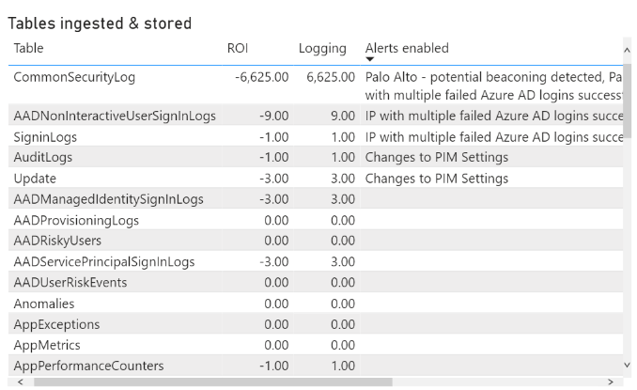
NOTES:
> Several tranformation steps will need to be performed in order to get the raw JSON text into a usable tabular form. You can view examples of these steps in the PowerBI file using the query editor -- please refer to the examples in that file.
> As an example, the below transformations (applied steps) were used for a dataset called Alert-Ref-Event_Type, which was used to visualize each Table, its ROI, its Cost, and the Alerts Enabled (as seen below on the right)

PowerBI query editor which shows applied steps | PowerBI Advanced Editor details (shows what each applied step does)
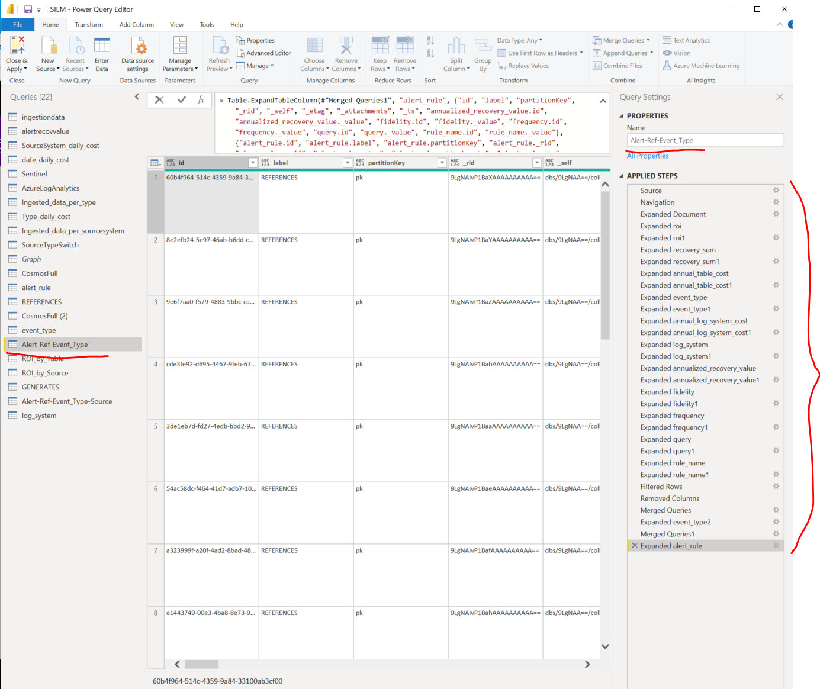
let
Source = DocumentDB.Contents("https://siemcosmosdb01.documents.azure.com:443/"),
GraphDB = Source{[id="GraphDB"]}[Collections],
GraphDB_Graph = GraphDB{[db_id="GraphDB",id="Graph"]}[Documents],
#"Expanded Document" = Table.ExpandRecordColumn(GraphDB_Graph, "Document", {"roi", "recovery_sum", "id", "annual_table_cost", "event_type", "label", "partitionKey", "_rid", "_self", "_etag", "_attachments", "_ts", "annual_log_system_cost", "log_system", "_sink", "_vertexId", "_isEdge", "_sinkPartition", "annualized_recovery_value", "fidelity", "frequency", "query", "rule_name", "field", "value", "classification", "created_time", "severity", "status"}, {"roi", "recovery_sum", "id", "annual_table_cost", "event_type", "label", "partitionKey", "_rid", "_self", "_etag", "_attachments", "_ts", "annual_log_system_cost", "log_system", "_sink", "_vertexId", "_isEdge", "_sinkPartition", "annualized_recovery_value", "fidelity", "frequency", "query", "rule_name", "field", "value", "classification", "created_time", "severity", "status"}),
#"Expanded roi" = Table.ExpandListColumn(#"Expanded Document", "roi"),
#"Expanded roi1" = Table.ExpandRecordColumn(#"Expanded roi", "roi", {"id", "_value"}, {"roi.id", "roi._value"}),
#"Expanded recovery_sum" = Table.ExpandListColumn(#"Expanded roi1", "recovery_sum"),
#"Expanded recovery_sum1" = Table.ExpandRecordColumn(#"Expanded recovery_sum", "recovery_sum", {"id", "_value"}, {"recovery_sum.id", "recovery_sum._value"}),
#"Expanded annual_table_cost" = Table.ExpandListColumn(#"Expanded recovery_sum1", "annual_table_cost"),
#"Expanded annual_table_cost1" = Table.ExpandRecordColumn(#"Expanded annual_table_cost", "annual_table_cost", {"id", "_value"}, {"annual_table_cost.id", "annual_table_cost._value"}),
#"Expanded event_type" = Table.ExpandListColumn(#"Expanded annual_table_cost1", "event_type"),
#"Expanded event_type1" = Table.ExpandRecordColumn(#"Expanded event_type", "event_type", {"id", "_value"}, {"event_type.id", "event_type._value"}),
#"Expanded annual_log_system_cost" = Table.ExpandListColumn(#"Expanded event_type1", "annual_log_system_cost"),
#"Expanded annual_log_system_cost1" = Table.ExpandRecordColumn(#"Expanded annual_log_system_cost", "annual_log_system_cost", {"id", "_value"}, {"annual_log_system_cost.id", "annual_log_system_cost._value"}),
#"Expanded log_system" = Table.ExpandListColumn(#"Expanded annual_log_system_cost1", "log_system"),
#"Expanded log_system1" = Table.ExpandRecordColumn(#"Expanded log_system", "log_system", {"id", "_value"}, {"log_system.id", "log_system._value"}),
#"Expanded annualized_recovery_value" = Table.ExpandListColumn(#"Expanded log_system1", "annualized_recovery_value"),
#"Expanded annualized_recovery_value1" = Table.ExpandRecordColumn(#"Expanded annualized_recovery_value", "annualized_recovery_value", {"id", "_value"}, {"annualized_recovery_value.id", "annualized_recovery_value._value"}),
#"Expanded fidelity" = Table.ExpandListColumn(#"Expanded annualized_recovery_value1", "fidelity"),
#"Expanded fidelity1" = Table.ExpandRecordColumn(#"Expanded fidelity", "fidelity", {"id", "_value"}, {"fidelity.id", "fidelity._value"}),
#"Expanded frequency" = Table.ExpandListColumn(#"Expanded fidelity1", "frequency"),
#"Expanded frequency1" = Table.ExpandRecordColumn(#"Expanded frequency", "frequency", {"id", "_value"}, {"frequency.id", "frequency._value"}),
#"Expanded query" = Table.ExpandListColumn(#"Expanded frequency1", "query"),
#"Expanded query1" = Table.ExpandRecordColumn(#"Expanded query", "query", {"id", "_value"}, {"query.id", "query._value"}),
#"Expanded rule_name" = Table.ExpandListColumn(#"Expanded query1", "rule_name"),
#"Expanded rule_name1" = Table.ExpandRecordColumn(#"Expanded rule_name", "rule_name", {"id", "_value"}, {"rule_name.id", "rule_name._value"}),
#"Filtered Rows" = Table.SelectRows(#"Expanded rule_name1", each [label] = "REFERENCES"),
#"Removed Columns" = Table.RemoveColumns(#"Filtered Rows",{"roi.id", "roi._value", "recovery_sum.id", "recovery_sum._value", "annual_table_cost.id", "annual_table_cost._value", "event_type.id", "event_type._value", "annual_log_system_cost.id", "annual_log_system_cost._value", "log_system.id", "log_system._value", "annualized_recovery_value.id", "annualized_recovery_value._value", "fidelity.id", "fidelity._value", "frequency.id", "frequency._value", "query.id", "query._value", "rule_name.id", "rule_name._value", "field", "value", "classification", "created_time", "severity", "status"}),
#"Merged Queries" = Table.NestedJoin(#"Removed Columns", {"_sink"}, event_type, {"id"}, "event_type", JoinKind.Inner),
#"Expanded event_type2" = Table.ExpandTableColumn(#"Merged Queries", "event_type", {"roi.id", "roi._value", "recovery_sum.id", "recovery_sum._value", "id", "annual_table_cost.id", "annual_table_cost._value", "event_type.id", "event_type._value", "label", "partitionKey", "_rid", "_self", "_etag", "_attachments", "_ts"}, {"event_type.roi.id", "event_type.roi._value", "event_type.recovery_sum.id", "event_type.recovery_sum._value", "event_type.id", "event_type.annual_table_cost.id", "event_type.annual_table_cost._value", "event_type.event_type.id", "event_type.event_type._value", "event_type.label", "event_type.partitionKey", "event_type._rid", "event_type._self", "event_type._etag", "event_type._attachments", "event_type._ts"}),
#"Merged Queries1" = Table.NestedJoin(#"Expanded event_type2", {"_vertexId"}, alert_rule, {"id"}, "alert_rule", JoinKind.Inner),
#"Expanded alert_rule" = Table.ExpandTableColumn(#"Merged Queries1", "alert_rule", {"id", "label", "partitionKey", "_rid", "_self", "_etag", "_attachments", "_ts", "annualized_recovery_value.id", "annualized_recovery_value._value", "fidelity.id", "fidelity._value", "frequency.id", "frequency._value", "query.id", "query._value", "rule_name.id", "rule_name._value"}, {"alert_rule.id", "alert_rule.label", "alert_rule.partitionKey", "alert_rule._rid", "alert_rule._self", "alert_rule._etag", "alert_rule._attachments", "alert_rule._ts", "alert_rule.annualized_recovery_value.id", "alert_rule.annualized_recovery_value._value", "alert_rule.fidelity.id", "alert_rule.fidelity._value", "alert_rule.frequency.id", "alert_rule.frequency._value", "alert_rule.query.id", "alert_rule.query._value", "alert_rule.rule_name.id", "alert_rule.rule_name._value"})
in
#"Expanded alert_rule"

 | Visualized output from dataset

